object_size_statistics
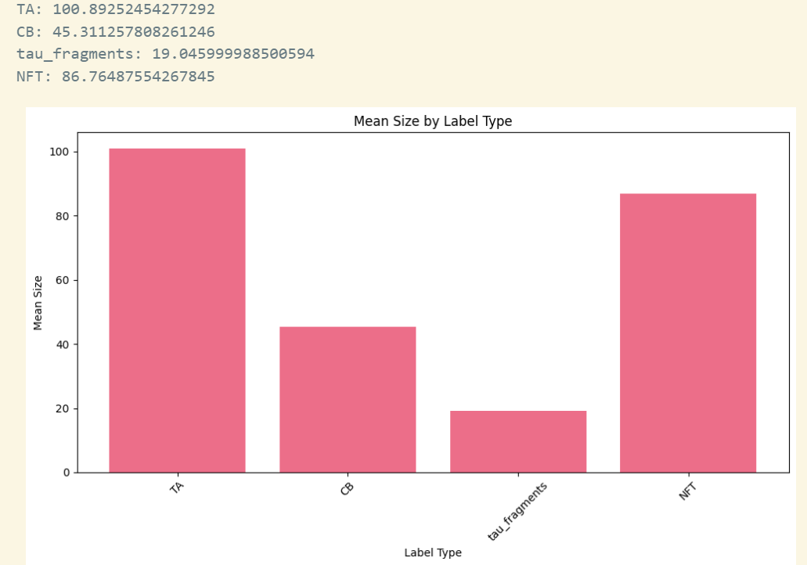
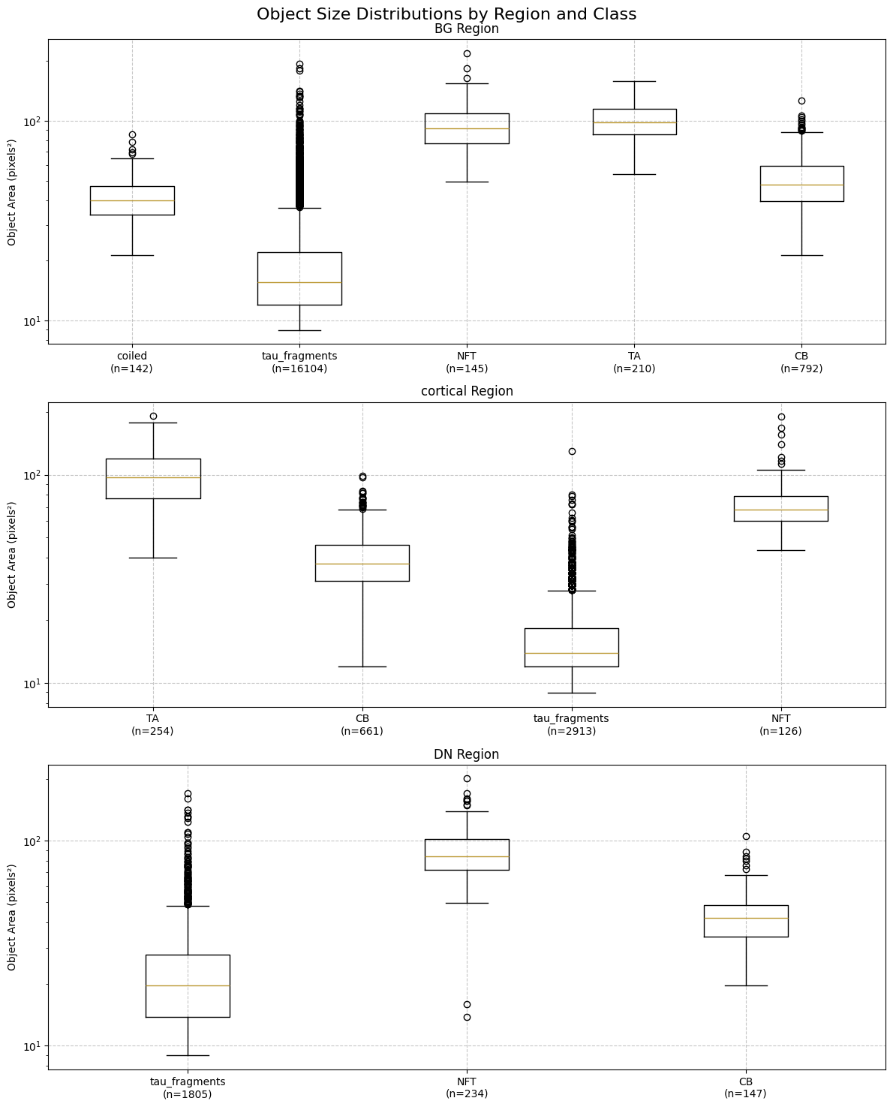
Region | Class | Mean |  | Median | Std | Min |  | Max
BG | CB | 2652.92 | 52 | 2208 | 1719.47 | 448 | 21 | 16000 | 126
BG | tau_fragments | 488.63 | 22 | 240 | 1005.13 | 80 | 9 | 37488 | 194
BG | NFT | 9721.05 | 99 | 8400 | 5958.54 | 2448 | 49 | 48048 | 219
BG | TA | 10741.94 | 104 | 9736 | 4533.24 | 2912 | 54 | 25344 | 159
cortical | TA | 10932.28 | 105 | 9408 | 6340.52 | 1584 | 40 | 36848 | 192
cortical | CB | 1767.12 | 42 | 1408 | 1233.85 | 144 | 12 | 9744 | 99
cortical | tau_fragments | 336.05 | 18 | 192 | 534.95 | 80 | 9 | 16928 | 130
cortical | NFT | 5840.76 | 76 | 4616 | 4641.57 | 1872 | 43 | 36064 | 190
DN | tau_fragments | 843.07 | 29 | 384 | 1828.27 | 80 | 9 | 28768 | 170
DN | NFT | 8553.3 | 92 | 7040 | 5116.9 | 192 | 14 | 40320 | 201
DN | CB | 2150.2 | 46 | 1760 | 1534.71 | 384 | 20 | 11040 | 105

Sheet1
 | BG | BG_tanrada | Dn |  | Cortical |  | Total |  | BG_test (from slides with name `Tanrada`) | Annelies | Published Numbers | Cortical_test | DN_test | Published numbers
coiled | 934 | 936 | 147 | 147 | 661 | 661 | 1742 | coiled | 159 | 0 | 153 | 296 | 18 | 18
NFT | 145 | 145 | 234 | 234 | 126 | 126 | 505 | NFT | 21 | 0 | 21 | 78 | 32 | 26
TA | 210 | 200 |  |  | 254 | 254 | 464 | TA | 49 | 0 | 44 | 237 | 0 | 0
tau_fragments | 16104 | 16104 | 1805 | 1805 | 2940 | 2913 | 20849 | tau_fragments | 2796 | 2796 | 2795 | 1761 | 845 | 844
 |  |  | others |  | Others: 2913
 |  |  |  |  |  |  |  |  | Didn't match |  |  | Matched | Didn't match

 | TA | 79
 |  | 15
 |  | 9
 |  | 107

 | coiled | NFT | TA | tau_fragments
BG_test (from slides with name `Tanrada`) | 159 | 21 | 49 | 2796
Annelies | 0 | 0 | 0 | 2796
Published Numbers | 153 | 21 | 44 | 2795
Cortical_test | 296 | 78 | 237 | 1761
DN_test | 18 | 32 | 0 | 845

